Test Cases
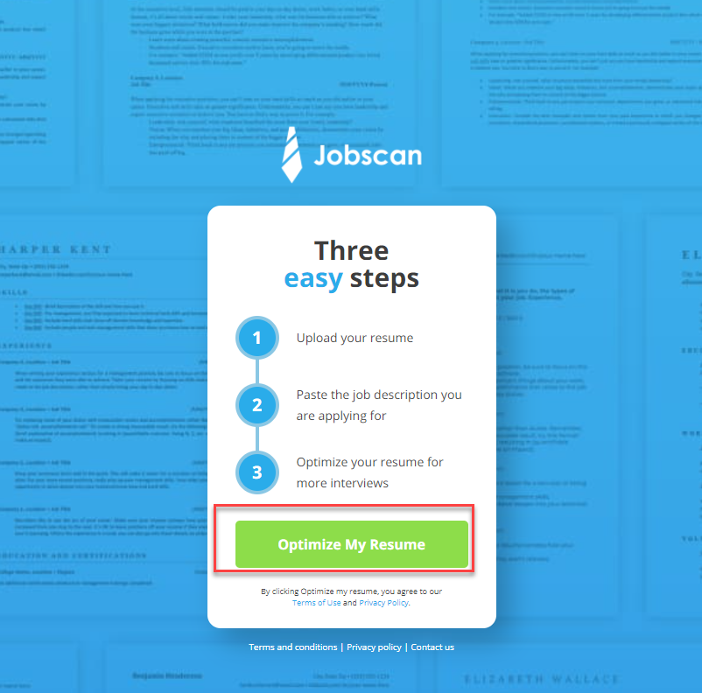

Project Name : | Starbucks
Module Name: | Login Page
Reference Document:
Created by: | Artur Kolesnikov
Date of creation: | 2022-04-19
Date of review:

TASTE CASE ID | TEST SCENARIO | TEST CASE | TEST STEPS | EXPECTED RESULT | ACTUAL RESULT | STATUS(PASS/FAIL)
TC_Login Page_ 01 | Sign in or create an account | Correct user name Correct Password | 1.Navigate to https://www.starbucks.com/ site and select "sing-in" Button 2.Type correct username 3.Type correct password | The sign-in page should allow you to enter in your personal account | The sign-in page allowed to enter in personal account | Pass
TC_Login Page_ 02 | Sign in or create an account | Correct user name Incorrect Password | 1.Navigate to https://www.starbucks.com/ site and select "sing-in" Button 2.Type correct username 3.Type incorrect password | The sign-in page should show pop-up window " Sign in unsuccessful." | The sign-in page should show pop-up window " Sign in unsuccessful." The email or password you entered is not valid. Please try again. | Pass
TC_Login Page_ 03 | Sign in or create an account | Incorrect Username Correct Password | 1.Navigate to https://www.starbucks.com/ site and select "sing-in" Button 2.Type incorrect username 3.Type correct password | The sign-in page should show pop-up window " Sign in unsuccessful." | The sign-in page should show pop-up window " Sign in unsuccessful." The email or password you entered is not valid. Please try again. | Pass
TC_Login Page_ 04 | Sign in or create an account | Incorrect Username Incorrect Password | 1.Navigate to https://www.starbucks.com/ site and select "sing-in" Button 2.Type incorrect username 3.Type incorrect password | The sign-in page should show pop-up window " Sign in unsuccessful." | The sign-in page should show pop-up window " Sign in unsuccessful." The email or password you entered is not valid. Please try again. | Pass

